1
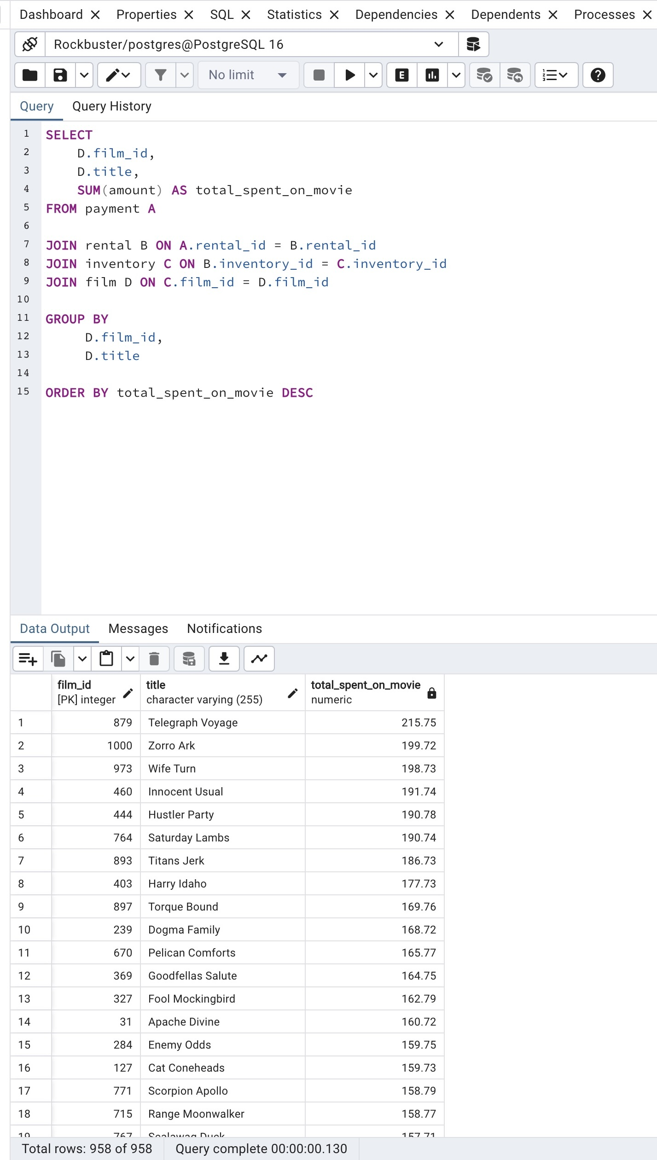
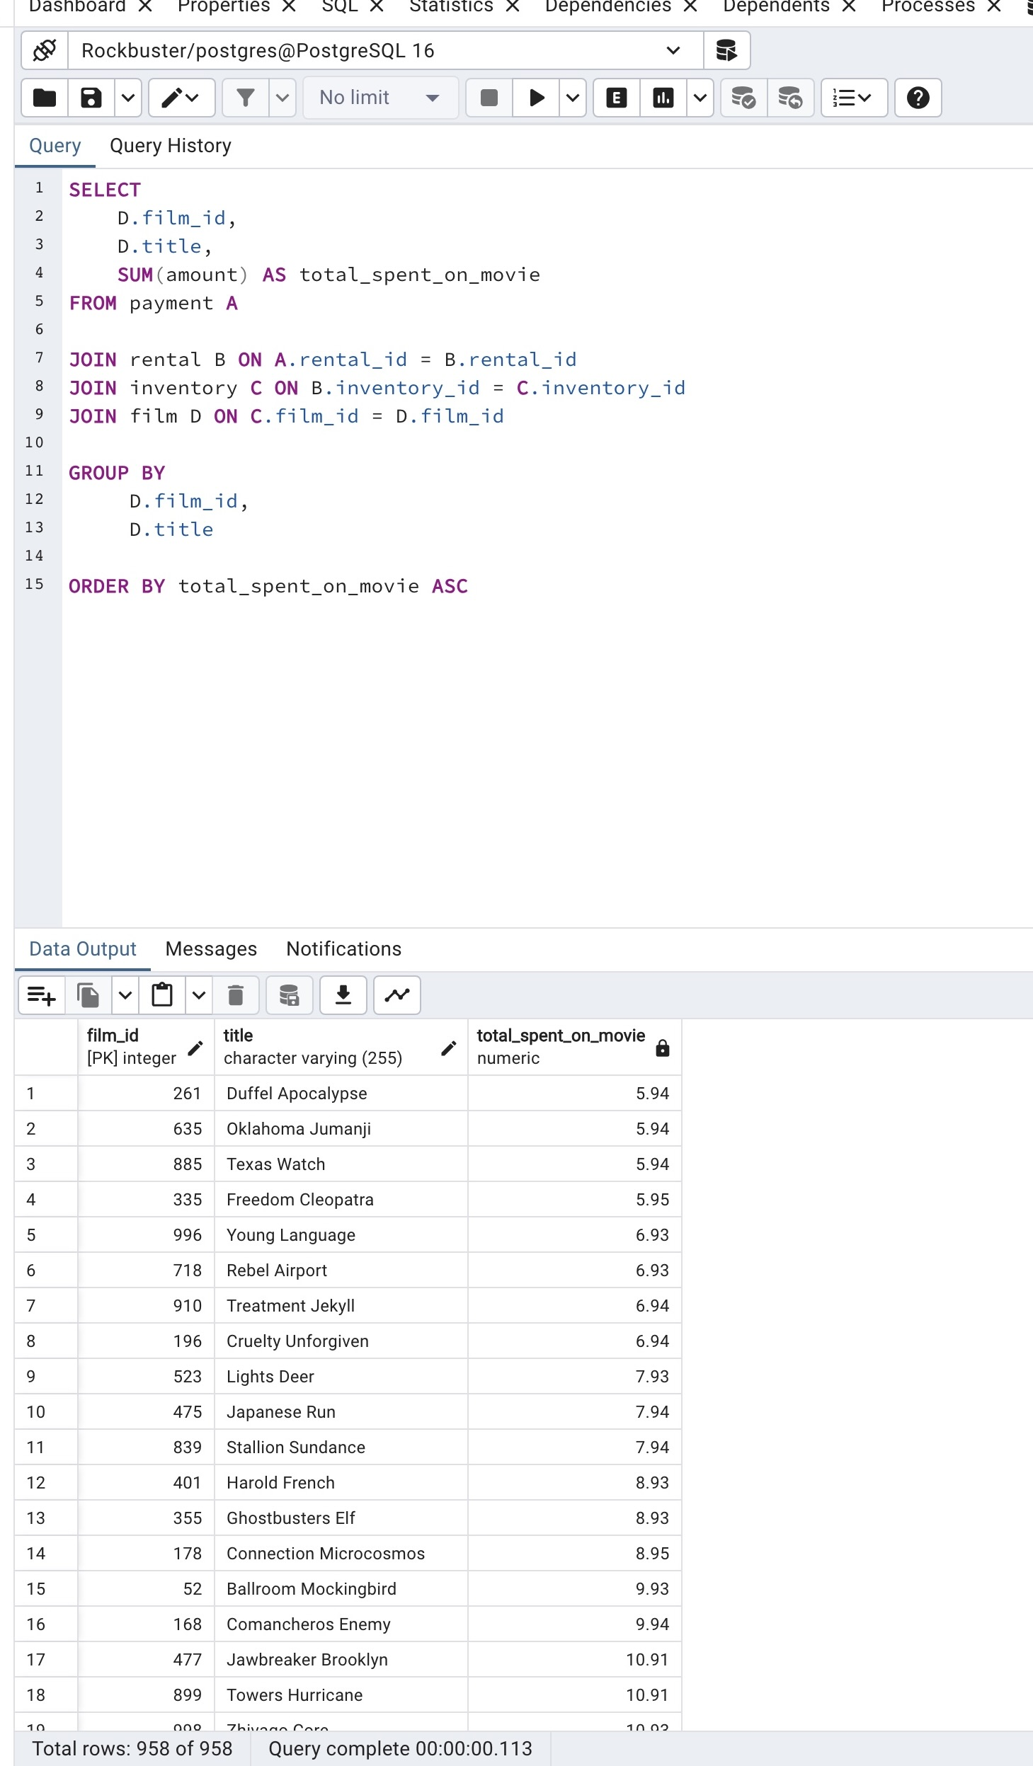

Top 10 movies by revenue | Bottom 10 movies by revenue | Revenue grouped by category

2
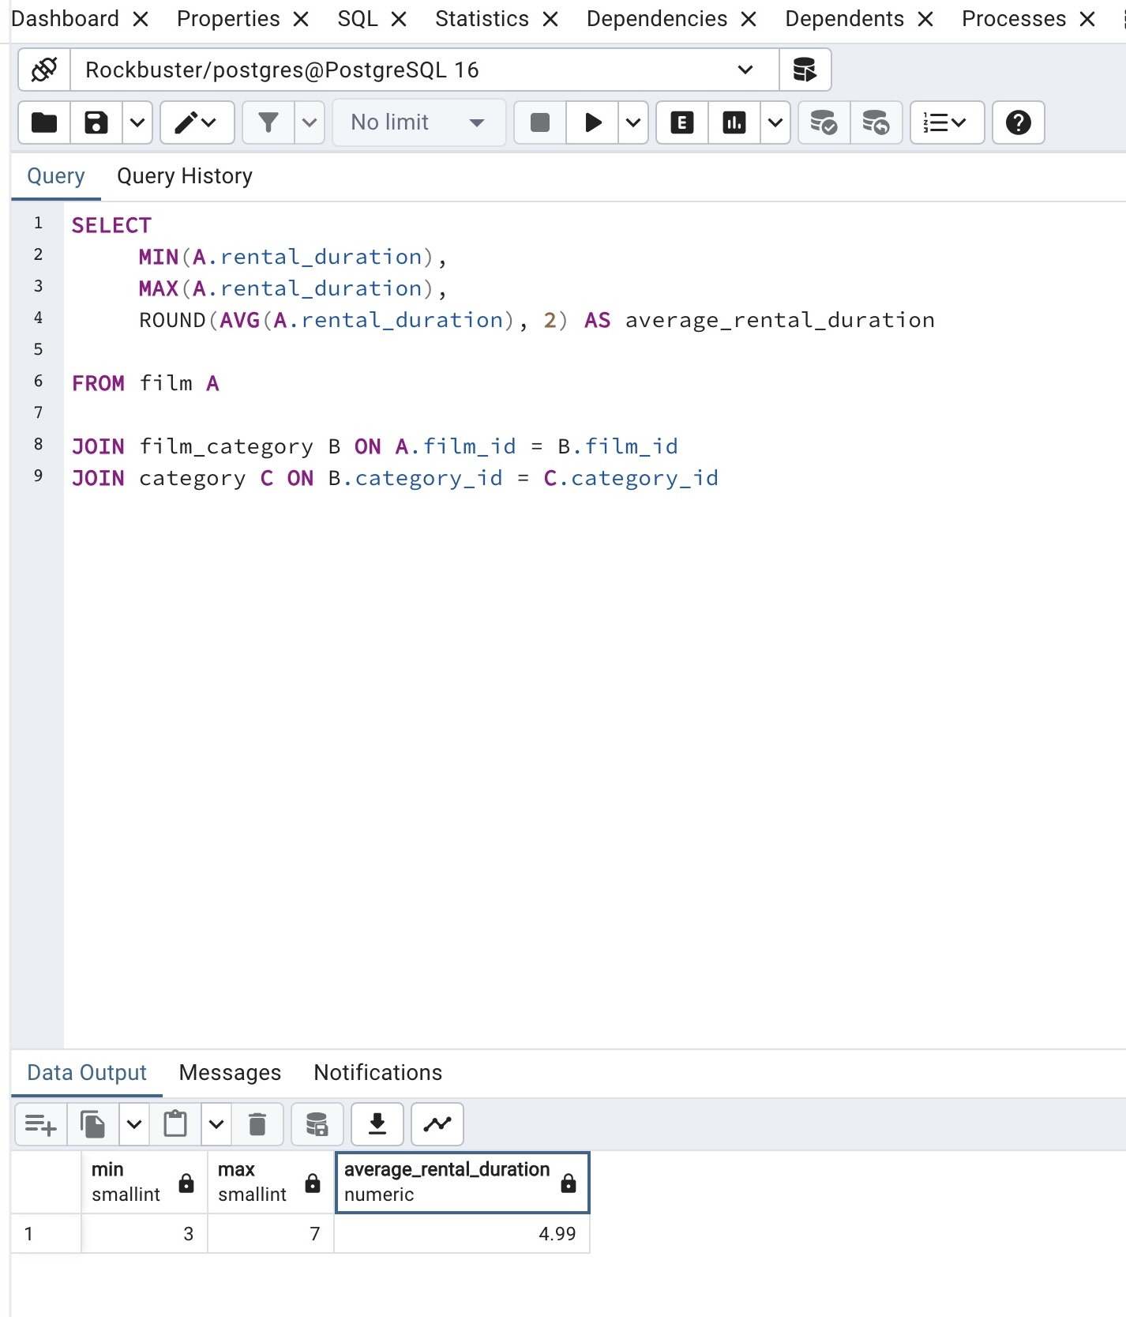
AVG rental duration grouped by category | AVG rental duration ALL categories

3


Top five customers and where they are from | Top 5 customer

4
